W2 - Basic Function
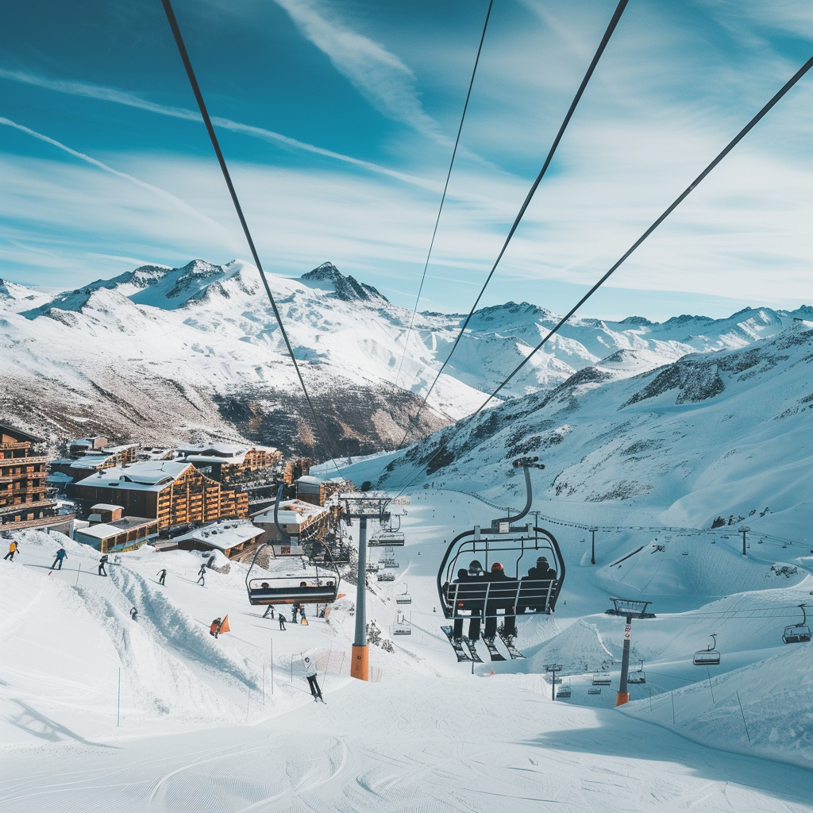
Questions |  | Answers | FORMULAS
 | What's the average skiable terrain across all resorts | 121.15 | FORMULA=AVERAGE(Data!K:K)
 | What's the total number of ski lifts across all resorts | ?
 | What's the lowest adult day pass price available | ?
 | What's the highest peak elevation among all resorts | ?

Advance Questions |  | Answers | FORMULAS
 | What's the average skiable terrain across all resorts across Switzerland?
 | What's the average skiable terrain across all resorts across Switzerland with Average Pass less than 75 Euros?

